Data validation
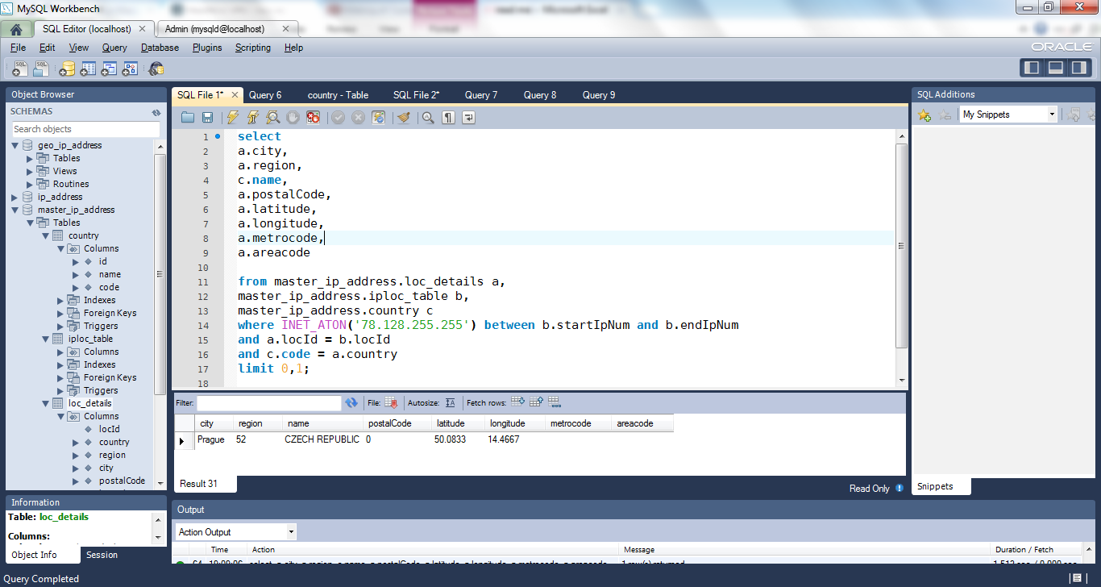
Data validation
In order to test the validity of the the gathered data a real time database of free working public proxies was used from http://www.hidemyass.com/proxy-list/
The country detail retrieved from the database (localhost) for a given IP address data was found to be accurate.
Random test screen print is as below:
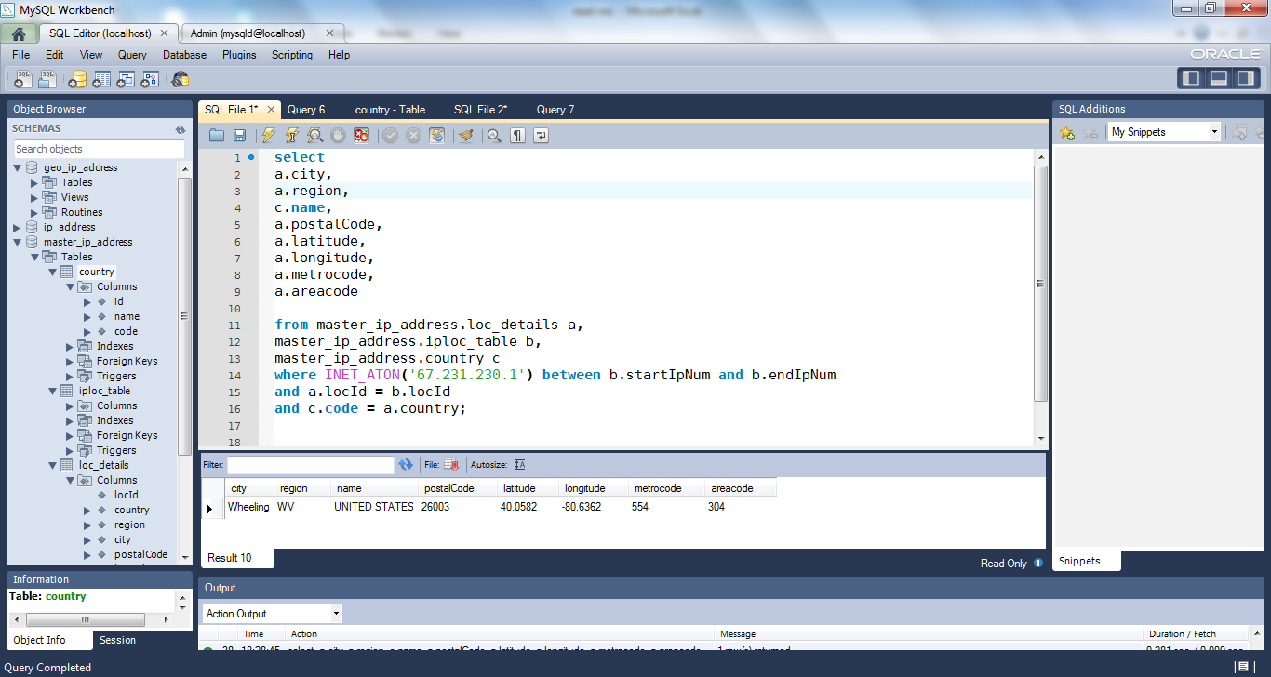
USA

Japan
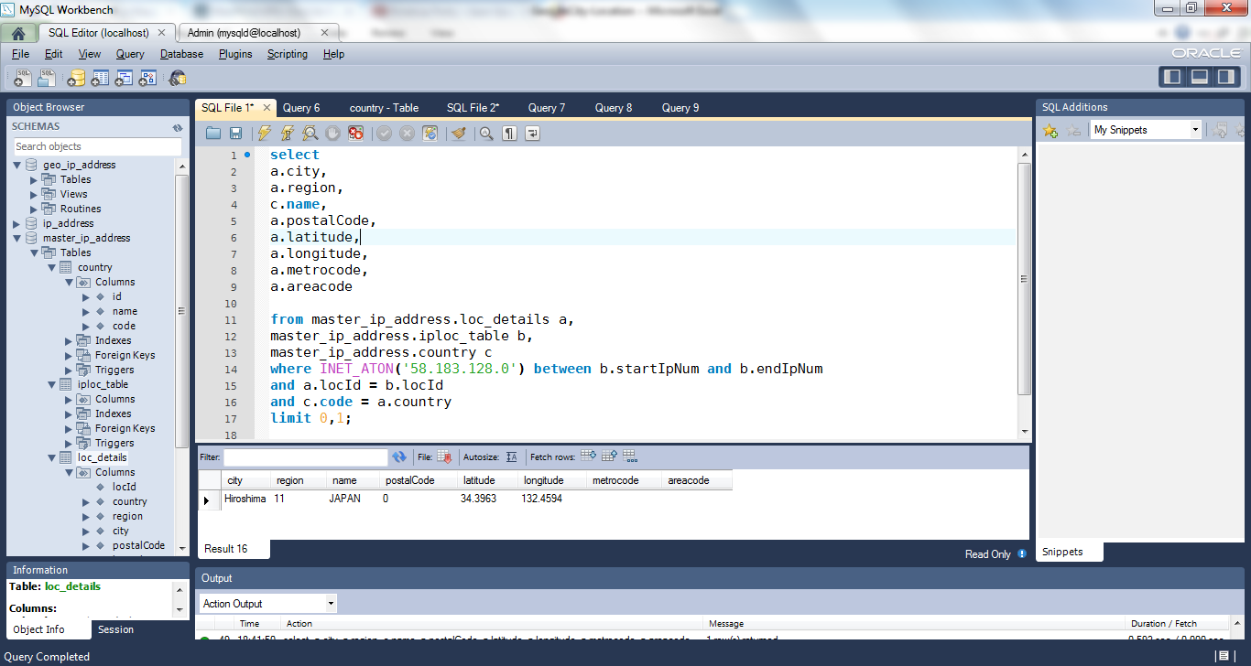

Kazakhstan
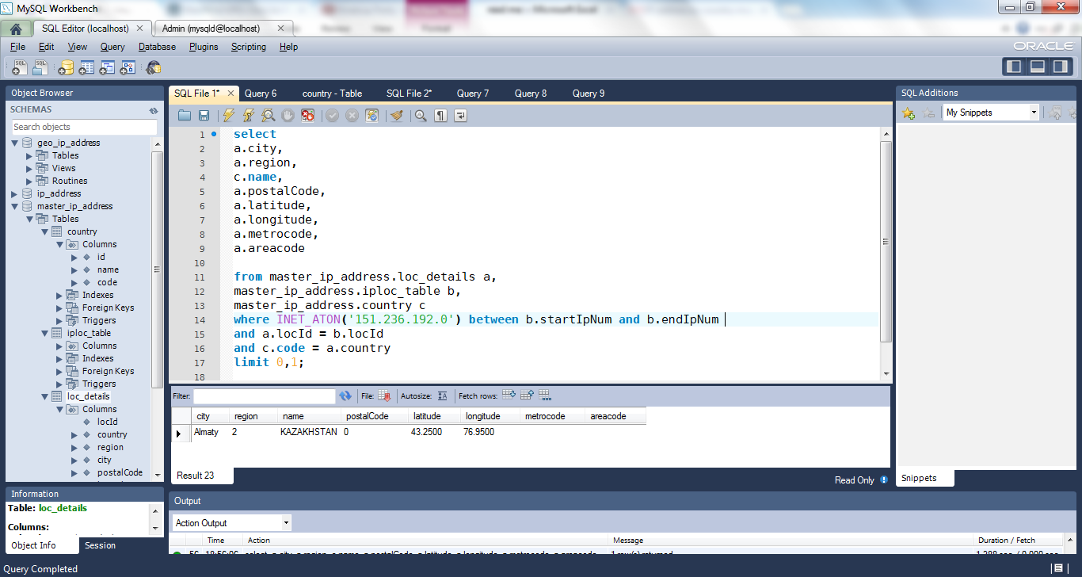

Russian Federation


Tanzania, United Republic of

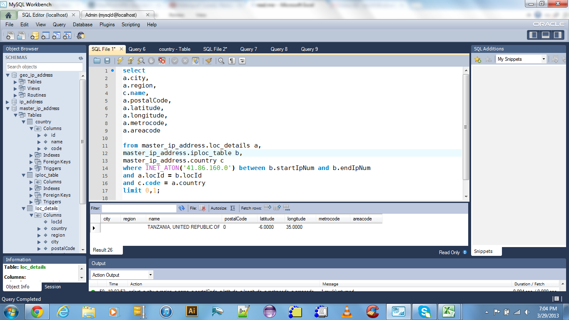

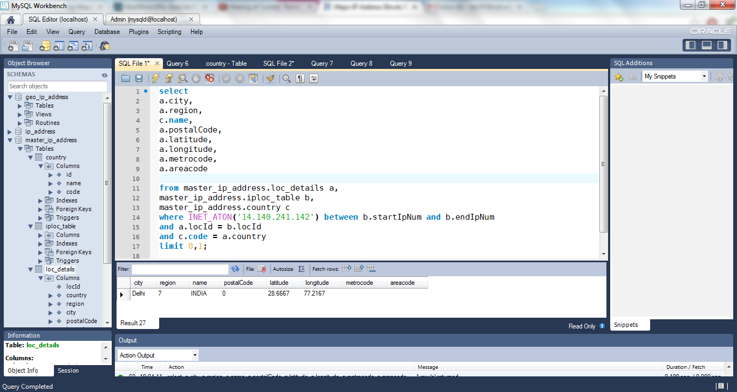
India

Korea, Republic of
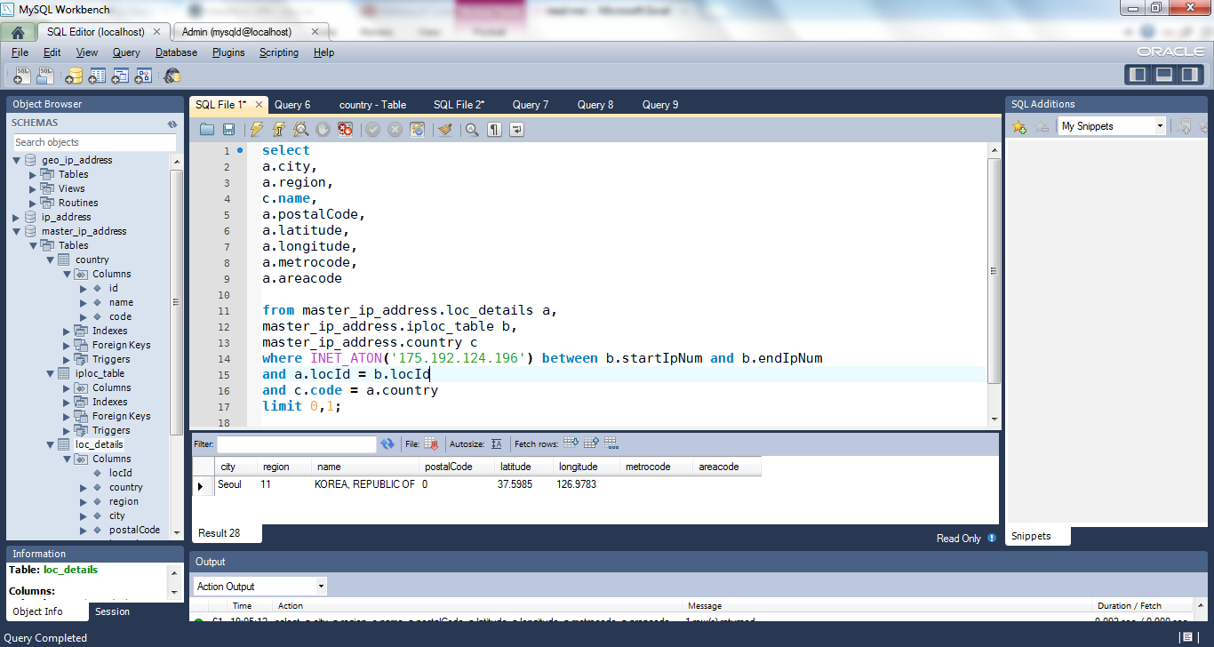

Chile
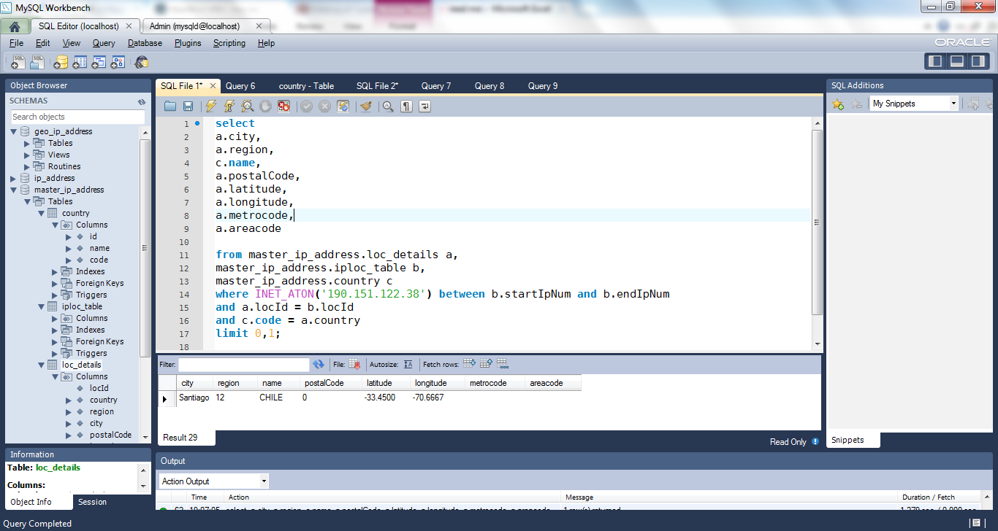

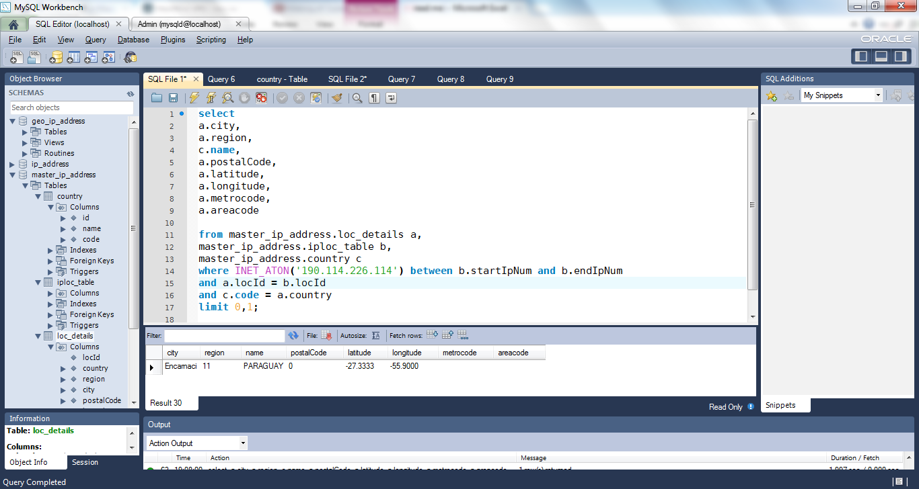
Paraguay

CZECH REPUBLIC

